Solution
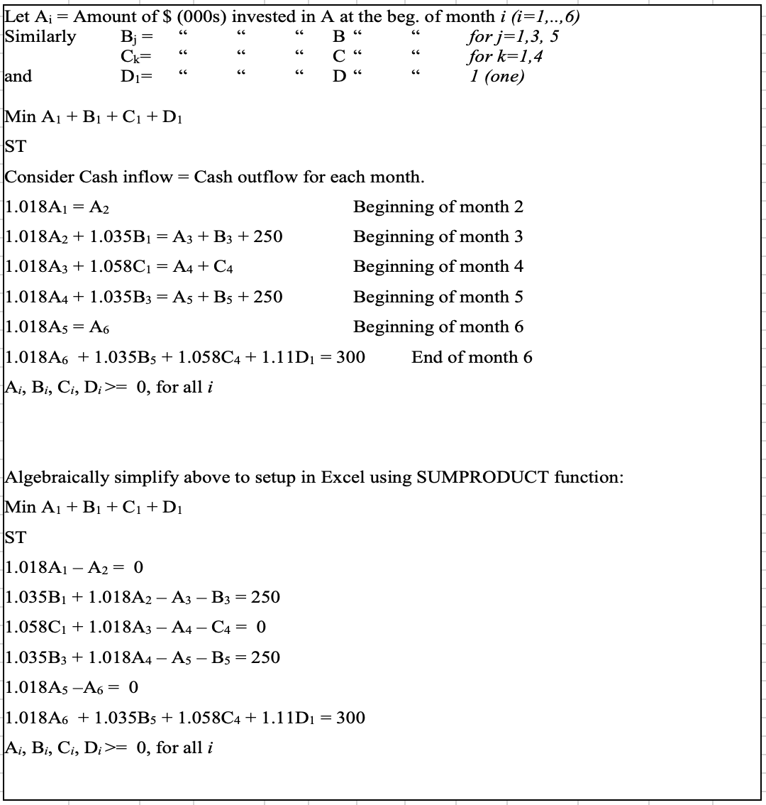
Taco Viva Multi Cash Flow Problem
Let Ai = amount of cash (in 1000s) invested in A at the beginning of month i=1,2,3,4,5,6
Bi = amount of cash (in 1000s) invested in A at the beginning of month i=1,3,5
Ci = amount of cash (in 1000s) invested in A at the beginning of month i=1,4
Di = amount of cash (in 1000s) invested in A at the beginning of month i=1

 | A1 | A2 | A3 | A4 | A5 | A6 | B1 | B3 | B5 | C1 | C4 | D1
Cash | 0 | 0 | 0 | 0 | 0 | 0 | 474.92356881 | 241.54589372 | 0 | 0 | 0 | 270.27027027
Minimize Cash | 1 | 1 | 1 | 1 | 1 | 1 | 1 | 1 | 1 | 1 | 1 | 1 | 986.7397328
Constraints
Beg of month 2 | 1.018 | -1 |  |  |  |  |  |  |  |  |  |  | 0 | = | 0
Beg of month 3 |  | 1.018 | -1 |  |  |  | 1.035 | -1 |  |  |  |  | 250 | = | 250
Beg of month 4 |  |  | 1.018 | -1 |  |  |  |  |  | 1.058 | -1 |  | 0 | = | 0
Beg of month 5 |  |  |  | 1.018 | -1 |  |  | 1.035 | -1 |  |  |  | 250 | = | 250
Beg of month 6 |  |  |  |  | 1.018 | -1 |  |  |  |  |  |  | 0 | = | 0
End of month 6 |  |  |  |  |  | 1.018 |  |  | 1.035 |  | 1.058 | 1.11 | 300 | = | 300

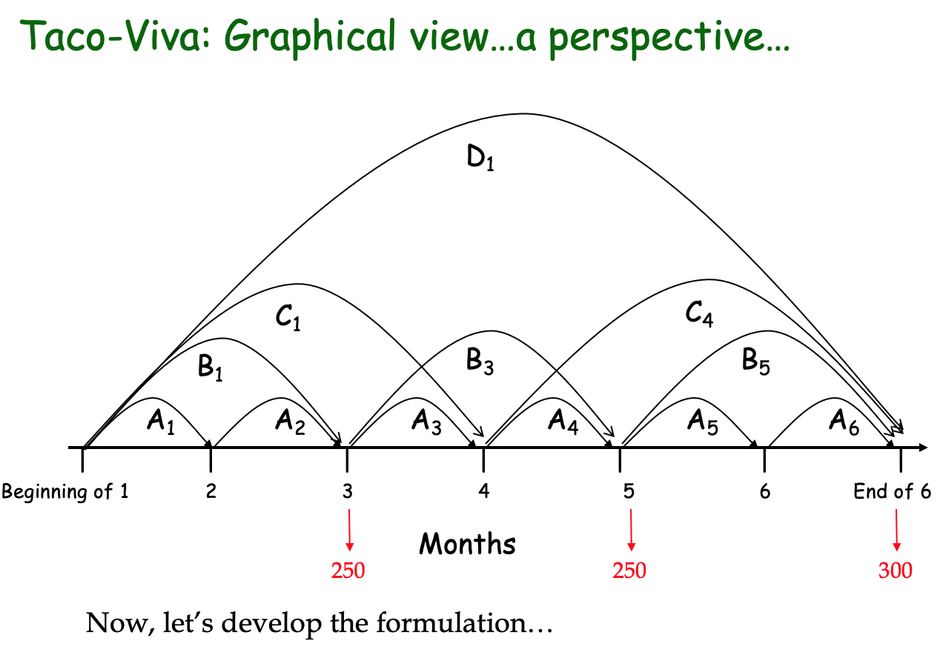
 | Sensitivity Analysis Report
 | Objective Cell (Min)
 |  | Cell | Name | Final Value
 |  | $N$9 | Minimize Cash | 986.7397328

 | Decision Variable Cells
 |  |  |  | Final | Reduced | Objective | Allowable | Allowable
 |  | Cell | Name | Value | Cost | Coefficient | Increase | Decrease
 |  | $B$8 | Cash A1 | 0 | 0 | 1 | 1E+30 | 1.0167208747
 |  | $C$8 | Cash A2 | 0 | 0.99874339189 | 1 | 1E+30 | 0.99874339189
 |  | $D$8 | Cash A3 | 0 | 1.0039907582 | 1 | 1E+30 | 1.0039907582
 |  | $E$8 | Cash A4 | 0 | 0.011290811921 | 1 | 1E+30 | 0.011290811921
 |  | $F$8 | Cash A5 | 0 | 0 | 1 | 1E+30 | 2.9840691518
 |  | $G$8 | Cash A6 | 0 | 2.9313055501 | 1 | 1E+30 | 2.9313055501
 |  | $H$8 | Cash B1 | 474.92356881 | 0 | 1 | 0.011881244718 | 1.0391305383
 |  | $I$8 | Cash B3 | 241.54589372 | 0 | 1 | 0.011479463495 | 2.0361161108
 |  | $J$8 | Cash B5 | 0 | 1.9672618428 | 1 | 1E+30 | 1.9672618428
 |  | $K$8 | Cash C1 | 0 | 0 | 1 | 1.0434404008 | 0.011945784812
 |  | $L$8 | Cash C4 | 0 | 0.99202643097 | 1 | 1E+30 | 0.99202643097
 |  | $M$8 | Cash D1 | 270.27027027 | 0 | 1 | 1.0407839786 | 1E+30

 | Constraints
 |  |  |  | Final | Shadow | Constraint | Allowable | Allowable
 |  | Cell | Name | Value | Price | R.H. Side | Increase | Decrease
 |  | $N$11 | Beg of month 2 | 0 | 0.98231827112 | 0 | 1E+30 | 0
 |  | $N$12 | Beg of month 3 | 250 | 0.96618357488 | 250 | 1E+30 | 491.54589372
 |  | $N$13 | Beg of month 4 | 0 | 0.94517958412 | 0 | 1E+30 | 0
 |  | $N$14 | Beg of month 5 | 250 | 1.8996942752 | 250 | 1E+30 | 250
 |  | $N$15 | Beg of month 6 | 0 | 2.8484226672 | 0 | 1E+30 | 0
 |  | $N$16 | End of month 6 | 300 | 0.9009009009 | 300 | 1E+30 | 300

Problem
